Sheet1
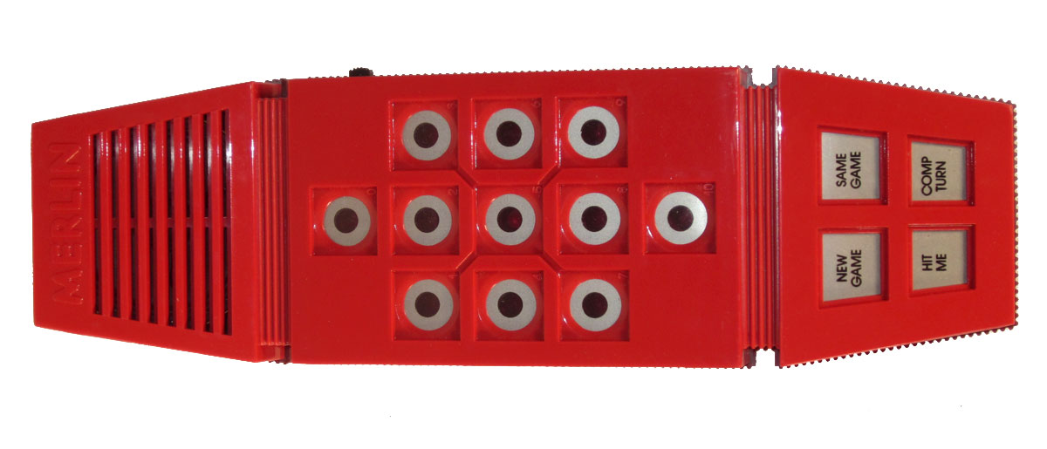
Button | Pin 1 | Pin 2 |  | Keyboard Pin | wire color | Trinket
0 | 4 | 5 |  | 8 | Brown/White | 16 (A2)
1 | 4 | 8 |  | 7 | Brown | 15 (A1)
2 | 4 | 6 |  | 2 | Green/White | 6
3 | 4 | 7 |  | 1 | Green | 5
4 | 3 | 5 |  | 3 | Blue/White | 8
5 | 3 | 8 | 0 | 4 | Blue | 9
6 | 3 | 6 | 1 2 3 | 6 | Orange/White | 14 (A0)
7 | 3 | 7 |  | 5 | Orange | 10
8 | 2 | 5 | 4 5 6
9 | 2 | 8
10 | 2 | 6 | 7 8 9
11 | 1 | 6
12 | 2 | 7 | 10 (a)
13 | 1 | 7
14 | 1 | 8
 |  |  | 11(b)12(c)

connector strip = 12345678 |  |  | 13(d) 14(e)

